Sheet1
TUE, 21 FEB 17
 |  |  |  |  |  | A) | FIRST 3 IMM FUTURES + ALL AVAILABLE SWAPs | B) | FIRST 3 IMM FUTURES + ALL AVAILABLE SWAPs (AS IS) | C) | FIRST 4 IMM FUTUREs + SWAP 2Y AND SWAP 3Y (TO BE 1) | D) | FIRST 8 IMM FUTURES WITH NO SWAPs INCLUDED (TO BE 2)
 |  |  |  |  |  |  | WITHOUT INCLUDING REUTERS CONV.ADJ and FIRST FIXING in BASIS EXTRAP. |  | INCLUDING REUTERS CONV.ADJ and FIRST FIXING in BASIS EXTRAP. |  | INCLUDING REUTERS CONV.ADJ and FIRST FIXING in BASIS EXTRAP. |  | INCLUDING REUTERS CONV.ADJ and FIRST FIXING in BASIS EXTRAP.

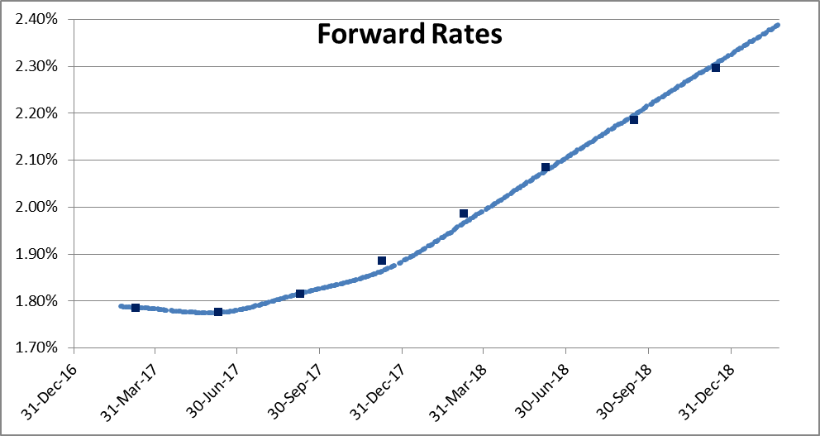

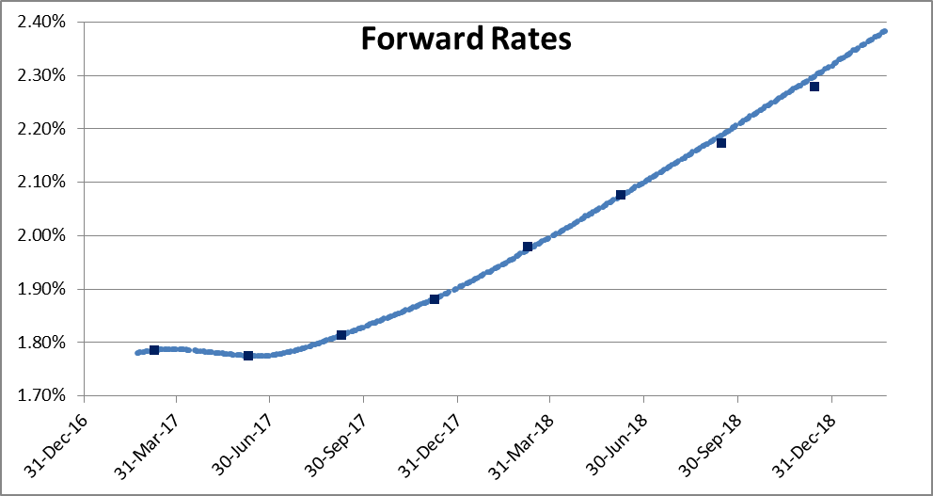
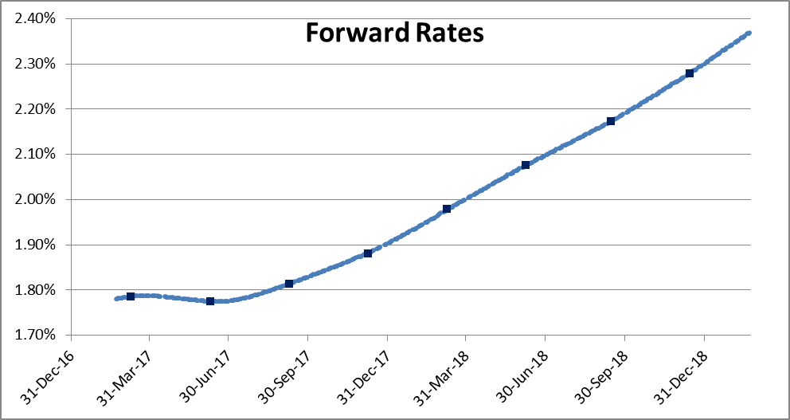
 |  | REPRICINGs (BPS)
 |  | A) 3 FUT + 3 SW | B) 3 FUT + 3 SW | C) 4 FUT + 2 SW | D) 8 FUT + 0 SW
INSTRUMUENTs |  | N0 CONV NO FIX | CONV AND FIX | CONV AND FIX | CONV AND FIX
FUT | H7 | 0.00 | 0.00 | 0.00 | 0.00
FUT | M7 | 0.00 | 0.00 | 0.00 | 0.00
FUT | U7 | 0.00 | 0.00 | 0.00 | 0.00
FUT | Z7 | -2.26 | -0.75 | 0.00 | 0.00
FUT | H8 | -1.81 | -0.57 | -0.36 | 0.00
FUT | M8 | -0.74 | 0.19 | -0.05 | 0.00
FUT | U8 | 1.00 | 1.95 | 1.52 | 0.00
FUT | Z8 | 0.98 | 2.33 | 1.96 | 0.00
SW | 1Y | 0.00 | 0.00 | 0.16 | 0.16
SW | 2Y | 0.00 | 0.00 | 0.00 | -0.33
SW | 3Y | 0.00 | 0.00 | 0.00 | -0.30

WED, 22 FEB 17
 |  |  |  |  |  | A) | FIRST 3 IMM FUTURES + ALL AVAILABLE SWAPs | B) | FIRST 3 IMM FUTURES + ALL AVAILABLE SWAPs (AS IS) | C) | FIRST 4 IMM FUTUREs + SWAP 2Y AND SWAP 3Y (TO BE 1) | D) | FIRST 8 IMM FUTURES WITH NO SWAPs INCLUDED (TO BE 2)
 |  |  |  |  |  |  | WITHOUT INCLUDING REUTERS CONV.ADJ and FIRST FIXING in BASIS EXTRAP. |  | INCLUDING REUTERS CONV.ADJ and FIRST FIXING in BASIS EXTRAP. |  | INCLUDING REUTERS CONV.ADJ and FIRST FIXING in BASIS EXTRAP. |  | INCLUDING REUTERS CONV.ADJ and FIRST FIXING in BASIS EXTRAP.

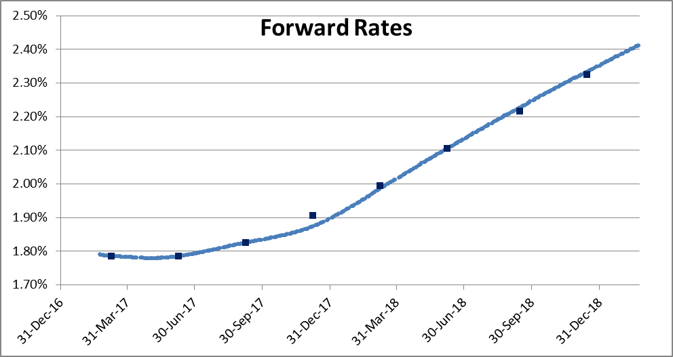

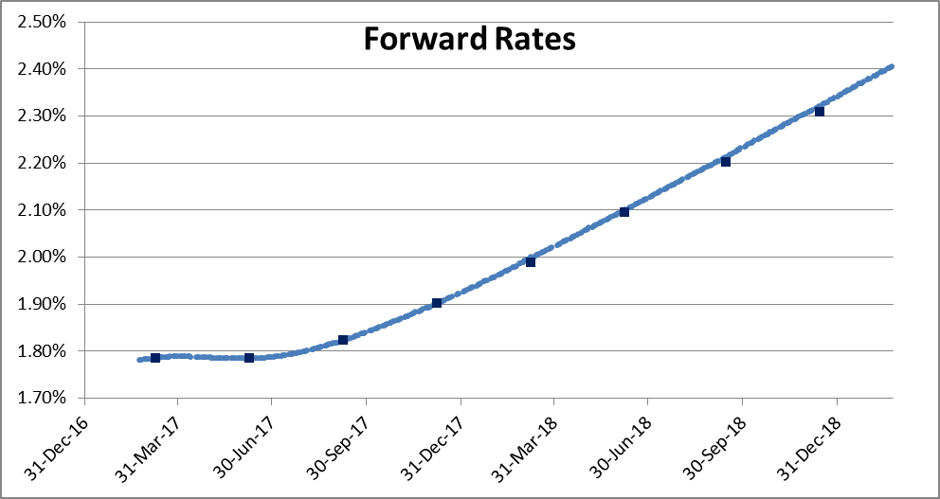
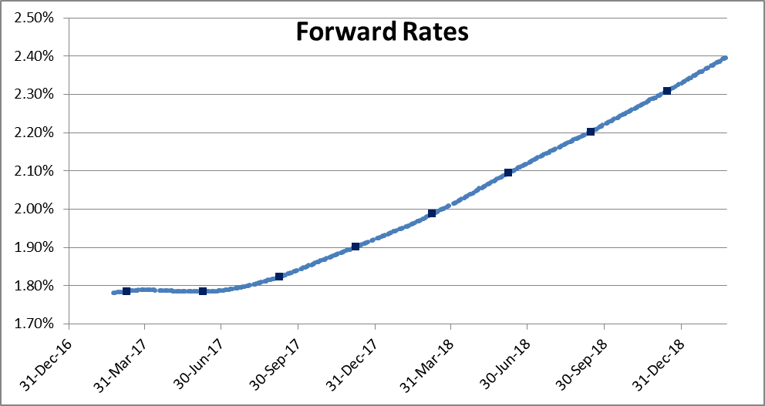
 |  | REPRICINGs (BPS)
 |  | A) 3 FUT + 3 SW | B) 3 FUT + 3 SW | C) 4 FUT + 2 SW | D) 8 FUT + 0 SW
INSTRUMUENTs |  | N0 CONV NO FIX | CONV AND FIX | CONV AND FIX | CONV AND FIX
FUT | H7 | 0.00 | 0.00 | 0.00 | 0.00
FUT | M7 | 0.00 | 0.00 | 0.00 | 0.00
FUT | U7 | 0.00 | 0.00 | 0.00 | 0.00
FUT | Z7 | -3.19 | -1.60 | 0.00 | 0.00
FUT | H8 | -0.68 | 0.60 | 1.15 | 0.00
FUT | M8 | 0.13 | 1.06 | 0.57 | 0.00
FUT | U8 | 1.11 | 2.03 | 1.07 | 0.00
FUT | Z8 | 0.79 | 2.11 | 1.28 | 0.00
SW | 1Y | 0.00 | 0.00 | 0.34 | 0.36
SW | 2Y | 0.00 | 0.00 | 0.00 | -0.48
SW | 3Y | 0.00 | 0.00 | 0.00 | -0.32

THU, 23 FEB 17
 |  |  |  |  |  | A) | FIRST 3 IMM FUTURES + ALL AVAILABLE SWAPs | B) | FIRST 3 IMM FUTURES + ALL AVAILABLE SWAPs (AS IS) | C) | FIRST 4 IMM FUTUREs + SWAP 2Y AND SWAP 3Y (TO BE 1) | D) | FIRST 8 IMM FUTURES WITH NO SWAPs INCLUDED (TO BE 2)
 |  |  |  |  |  |  | WITHOUT INCLUDING REUTERS CONV.ADJ and FIRST FIXING in BASIS EXTRAP. |  | INCLUDING REUTERS CONV.ADJ and FIRST FIXING in BASIS EXTRAP. |  | INCLUDING REUTERS CONV.ADJ and FIRST FIXING in BASIS EXTRAP. |  | INCLUDING REUTERS CONV.ADJ and FIRST FIXING in BASIS EXTRAP.

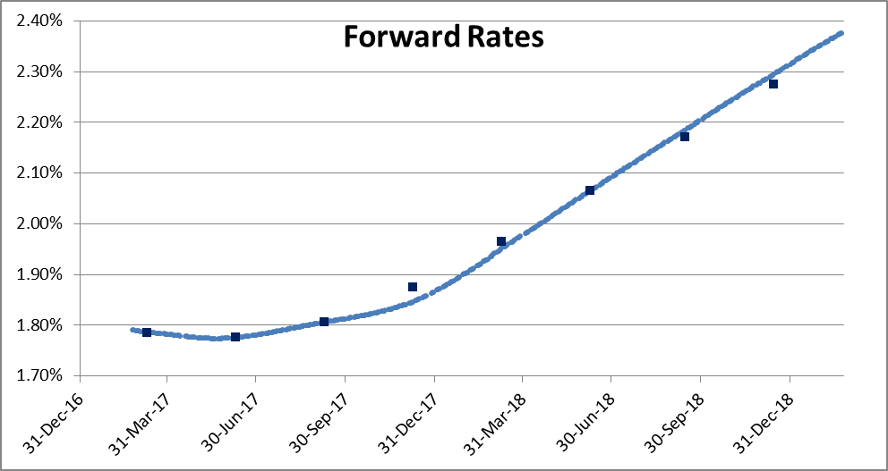
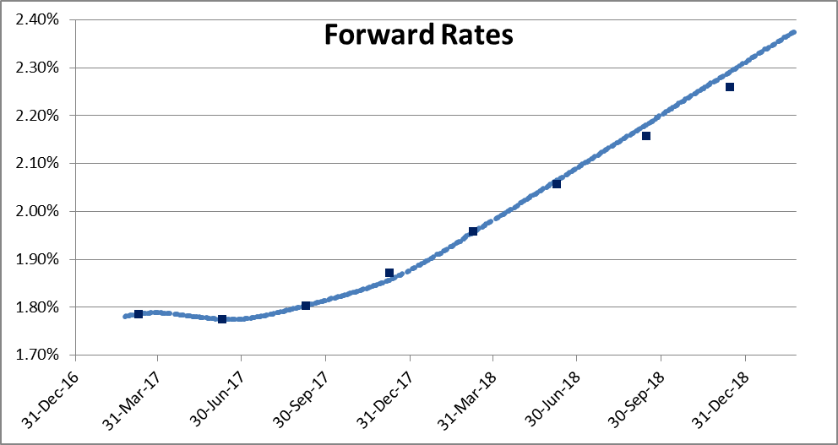
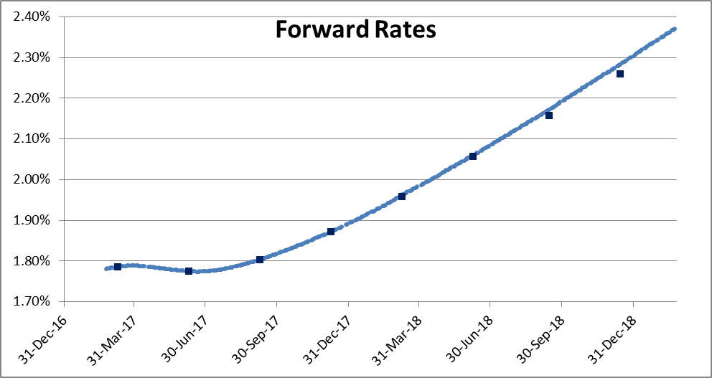
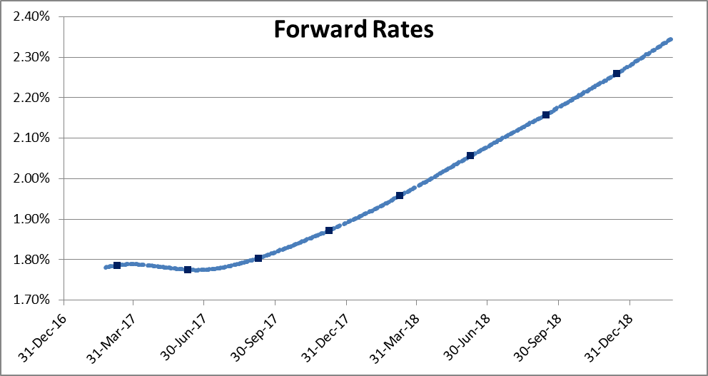
 |  | REPRICINGs (BPS)
 |  | A) 3 FUT + 3 SW | B) 3 FUT + 3 SW | C) 4 FUT + 2 SW | D) 8 FUT + 0 SW
INSTRUMUENTs |  | N0 CONV NO FIX | CONV AND FIX | CONV AND FIX | CONV AND FIX
FUT | H7 | 0.00 | 0.00 | 0.00 | 0.00
FUT | M7 | 0.00 | 0.00 | 0.00 | 0.00
FUT | U7 | 0.00 | 0.00 | 0.00 | 0.00
FUT | Z7 | -3.00 | -1.47 | 0.00 | 0.00
FUT | H8 | -1.39 | -0.12 | 0.40 | 0.00
FUT | M8 | -0.04 | 0.90 | 0.45 | 0.00
FUT | U8 | 1.36 | 2.31 | 1.41 | 0.00
FUT | Z8 | 1.86 | 3.19 | 2.42 | 0.00
SW | 1Y | 0.00 | 0.00 | 0.32 | 0.33
SW | 2Y | 0.00 | 0.00 | 0.00 | -0.52
SW | 3Y | 0.00 | 0.00 | 0.00 | -0.80

FRI 24 FEB 17
 |  |  |  |  |  | A) | FIRST 3 IMM FUTURES + ALL AVAILABLE SWAPs | B) | FIRST 3 IMM FUTURES + ALL AVAILABLE SWAPs (AS IS) | C) | FIRST 4 IMM FUTUREs + SWAP 2Y AND SWAP 3Y (TO BE 1) | D) | FIRST 8 IMM FUTURES WITH NO SWAPs INCLUDED (TO BE 2)
 |  |  |  |  |  |  | WITHOUT INCLUDING REUTERS CONV.ADJ and FIRST FIXING in BASIS EXTRAP. |  | INCLUDING REUTERS CONV.ADJ and FIRST FIXING in BASIS EXTRAP. |  | INCLUDING REUTERS CONV.ADJ and FIRST FIXING in BASIS EXTRAP. |  | INCLUDING REUTERS CONV.ADJ and FIRST FIXING in BASIS EXTRAP.

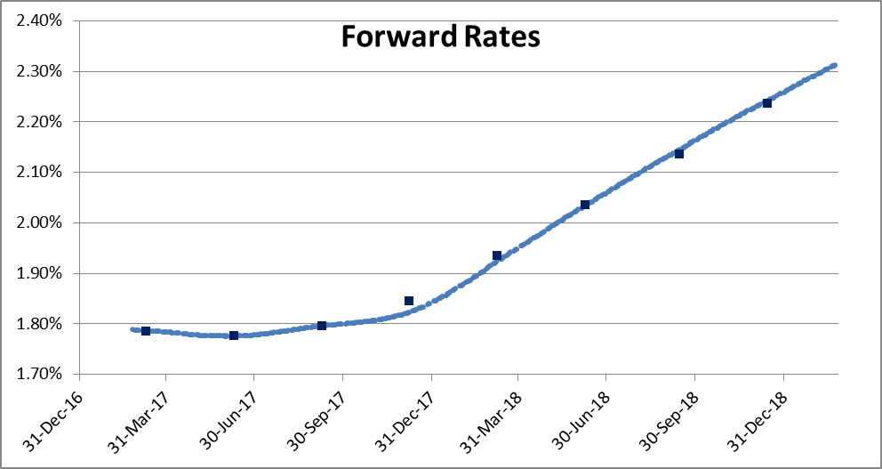
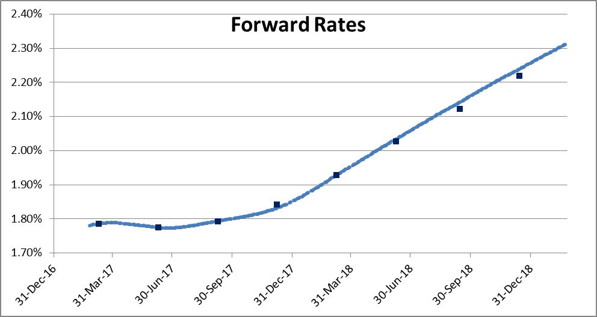
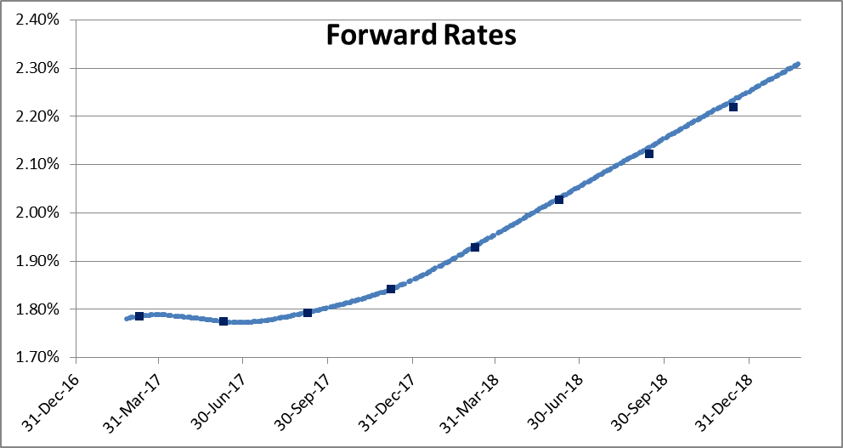
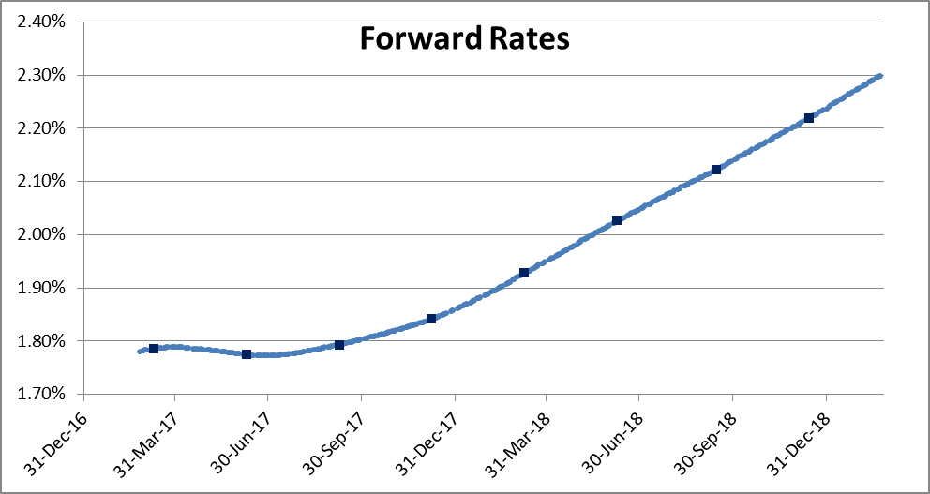
 |  | REPRICINGs (BPS)
 |  | A) 3 FUT + 3 SW | B) 3 FUT + 3 SW | C) 4 FUT + 2 SW | D) 8 FUT + 0 SW
INSTRUMUENTs |  | N0 CONV NO FIX | CONV AND FIX | CONV AND FIX | CONV AND FIX
FUT | H7 | 0.00 | 0.00 | 0.00 | 0.00
FUT | M7 | 0.00 | 0.00 | 0.00 | 0.00
FUT | U7 | 0.00 | 0.00 | 0.00 | 0.00
FUT | Z7 | -2.31 | -1.03 | 0.00 | 0.00
FUT | H8 | -1.02 | 0.13 | 0.44 | 0.00
FUT | M8 | -0.08 | 0.87 | 0.56 | 0.00
FUT | U8 | 0.90 | 1.92 | 1.33 | 0.00
FUT | Z8 | 0.59 | 1.99 | 1.48 | 0.00
SW | 1Y | 0.00 | 0.00 | 0.23 | 0.24
SW | 2Y | 0.00 | 0.00 | 0.00 | -0.45
SW | 3Y | 0.00 | 0.00 | 0.00 | -0.25

